Rating Grid
3
1
0
 |  |  |  | Score by Segment
 | Pricing Metric ~ Decision Guide |  |  |  | by PricingWire
 | Your objective is to evaluate and identify the Pricing (Value) Metrics most likely to perform best.
 | Step 1: List up to 10 different Pricing (Value) Metrics in Column B.
 | Step 2: Score each Metric Option for each Criteria [ only using "3" to indicate you strongly agree, "1" somewhat agree and "0" do not agree ] |  |  |  |  |  |  | Strongly Agree |  | Somewhat Agree |  | Do Not Agree

 |  | < < < Your Customers' Perspective > > > |  |  |  |  |  | < < < Your Company's Perspective > > >
 | Click Here for Help | Supports Differences in Value Across Segments |  |  | Simplicity |  | Advantage | Fits with Business Goals |  | Internal Exectuion |  | Cost-to-Serve
 | Criteria Description | Relevant to the Business of Most Buyers | Applies Across the Range of Most Use Cases | Relevant to How Most Buyers Experience Value-in-Use | Easy to Understand | Easy to Estimate or Forecast Requirements | Promotes Favorable Position Over Alternatives | Revenue Scales with Customer Success | Encourages Increased Use | Simple to Measure | Easy to Enforce | Tracks to Differences in Cost-to-Serve
 | Weight | 1.00 | 1.00 | 1.00 | 1.50 | 1.50 | 1.00 | 1.50 | 2.00 | 1.00 | 1.00 | 1.25 | Totals

1 | Viewer Hours | 3 | 3 | 3 | 1 | 0 | 0 | 3 | 1 | 3 | 3 | 3 | Unweighted | 23.00
 |  | 3.00 | 3.00 | 3.00 | 1.50 | 0.00 | 0.00 | 4.50 | 2.00 | 3.00 | 3.00 | 3.75 | Weighted | 26.75

2 | Concurrent Viewers | 3 | 1 | 1 | 3 | 1 | 0 | 1 | 0 | 3 | 3 | 3 | Unweighted | 19.00
 |  | 3.00 | 1.00 | 1.00 | 4.50 | 1.50 | 0.00 | 1.50 | 0.00 | 3.00 | 3.00 | 3.75 | Weighted | 22.25

3 | Bandwidth ( GB's ) | 1 | 3 | 1 | 3 | 0 | 0 | 3 | 0 | 3 | 3 | 3 | Unweighted | 20.00
 |  | 1.00 | 3.00 | 1.00 | 4.50 | 0.00 | 0.00 | 4.50 | 0.00 | 3.00 | 3.00 | 3.75 | Weighted | 23.75

4 | Channels / Event Pages | 3 | 3 | 3 | 3 | 3 | 1 | 0 | 1 | 3 | 3 | 1 | Unweighted | 24.00
 |  | 3.00 | 3.00 | 3.00 | 4.50 | 4.50 | 1.00 | 0.00 | 2.00 | 3.00 | 3.00 | 1.25 | Weighted | 28.25

5 | Data Retention Term (# of Days / Months) | 1 | 3 | 1 | 3 | 3 | 1 | 0 | 1 | 3 | 3 | 1 | Unweighted | 20.00
 |  | 1.00 | 3.00 | 1.00 | 4.50 | 4.50 | 1.00 | 0.00 | 2.00 | 3.00 | 3.00 | 1.25 | Weighted | 24.25

6 | Data Storage ( GB's ) | 1 | 1 | 0 | 1 | 0 | 0 | 1 | 0 | 3 | 3 | 1 | Unweighted | 11.00
 |  | 1.00 | 1.00 | 0.00 | 1.50 | 0.00 | 0.00 | 1.50 | 0.00 | 3.00 | 3.00 | 1.25 | Weighted | 12.25

7 | Broadcasts / Events / Shows / Videos | 3 | 3 | 3 | 3 | 3 | 1 | 3 | 1 | 3 | 3 | 1 | Unweighted | 27.00
 |  | 3.00 | 3.00 | 3.00 | 4.50 | 4.50 | 1.00 | 4.50 | 2.00 | 3.00 | 3.00 | 1.25 | Weighted | 32.75

8 |  |  |  |  |  |  |  |  |  |  |  |  | Unweighted | 0.00
 |  | 0.00 | 0.00 | 0.00 | 0.00 | 0.00 | 0.00 | 0.00 | 0.00 | 0.00 | 0.00 | 0.00 | Weighted | 0.00

9 |  |  |  |  |  |  |  |  |  |  |  |  | Unweighted | 0.00
 |  | 0.00 | 0.00 | 0.00 | 0.00 | 0.00 | 0.00 | 0.00 | 0.00 | 0.00 | 0.00 | 0.00 | Weighted | 0.00

10 |  |  |  |  |  |  |  |  |  |  |  |  | Unweighted | 0.00
 |  | 0.00 | 0.00 | 0.00 | 0.00 | 0.00 | 0.00 | 0.00 | 0.00 | 0.00 | 0.00 | 0.00 | Weighted | 0.00

 | Unweighted | 15 | 17 | 12 | 17 | 10 | 3 | 11 | 4 | 21 | 21 | 13 |  | Click Here

 | Weighted | 15 | 17 | 12 | 26 | 15 | 3 | 17 | 8 | 21 | 21 | 16 |  | for Graph

 | Others Metrics to Consider ( list below )
1
2
3
4
5
6
7
8
9
10

Graph
Metric Decision Rating Graph | Click Here to return to Rating Grid

Weighted Scores
 | Viewer Hours | Concurrent Viewers | Bandwidth ( GB's ) | Channels / Event Pages | Data Retention Term (# of Days / Months) | Data Storage ( GB's ) | Broadcasts / Events / Shows / Videos
 | 26.75 | 22.25 | 23.75 | 28.25 | 24.25 | 12.25 | 32.75 | 0.00 | 0.00 | 0.00
Unweighted Scores
 | Viewer Hours | Concurrent Viewers | Bandwidth ( GB's ) | Channels / Event Pages | Data Retention Term (# of Days / Months) | Data Storage ( GB's ) | Broadcasts / Events / Shows / Videos
 | 23.00 | 19.00 | 20.00 | 24.00 | 20.00 | 11.00 | 27.00 | 0.00 | 0.00 | 0.00

Book a Strategy Session
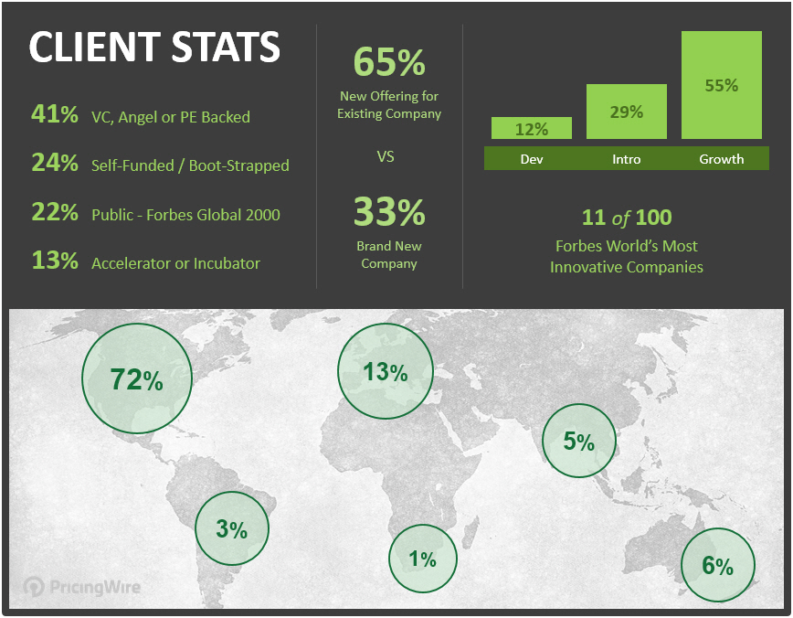
Monetization + Pricing Strategy Sessions

Gain perspective and increase confidence in business-critical decisions.

Let's discuss your plans, ideas and challenges.

Click to Book a Session Now | Learn More About PricingWire

http://pricingwire.com/pricing-strategy-sessions | http://pricingwire.com

The Pricing Metric ~ Decision Guide is provided by …

